SC cat prod~chl-a
glm formula | glm family | glm link | Coefficients | Estimate | Std.Error | t-value | p-value | Null deviance | Residual Deviance | AIC | Associated Figure
Reference stream annual production ~ Annual mean chlorophyll-a standing stock | gaussian | Identity | (Intercept) | -2.210 | 0.621 | -3.557 | 0.174 | 70.585 | 0.257 | 7.141 | 28
 |  |  | Annual chlorophyll-a standing stock | 5024.015 | 303.682 | 16.544 | 0.038 | 70.585 | 0.257 | 7.141
Mid-SC stream annual production ~ Annual mean chlorophyll-a standing stock | gaussian | Identity | (Intercept) | -3.443 | 1.119 | -3.078 | 0.200 | 223.890 | 1.247 | 11.879 | 28
 |  |  | Annual chlorophyll-a standing stock | 5856.888 | 438.267 | 13.364 | 0.048 | 223.890 | 1.247 | 11.879
High-SC stream annual production ~ Annual mean chlorophyll-a standing stock | gaussian | Identity | (Intercept) | -49.328 | 7.069 | -6.978 | 0.091 | 314.129 | 3.675 | 15.122 | 28
 |  |  | Annual chlorophyll-a standing stock | 17893.741 | 1946.740 | 9.192 | 0.069 | 314.129 | 3.675 | 15.122
Reference stream annual production ~ Annual mean chlorophyll-a standing stock | gamma | log | (Intercept) | 0.374 | 0.171 | 2.184 | 0.273 | 1.507 | 0.019 | 9.392
 |  |  | Annual chlorophyll-a standing stock | 722.316 | 83.598 | 8.640 | 0.073 | 1.507 | 0.019 | 9.392
Mid-SC stream annual production ~ Annual mean chlorophyll-a standing stock | gamma | log | (Intercept) | 0.208 | 0.176 | 1.182 | 0.447 | 3.183 | 0.031 | 10.610
 |  |  | Annual chlorophyll-a standing stock | 689.319 | 69.101 | 9.976 | 0.064 | 3.183 | 0.031 | 10.610
High-SC stream annual production ~ Annual mean chlorophyll-a standing stock | gamma | log | (Intercept) | -1.518 | 0.993 | -1.529 | 0.369 | 1.373 | 0.074 | 18.218
 |  |  | Annual chlorophyll-a standing stock | 1115.194 | 273.498 | 4.078 | 0.153 | 1.373 | 0.074 | 18.218

Based on AIC, Gamma is better, but visually it does not seem as strong a fit as linear and have larger SE

prod~chl-a
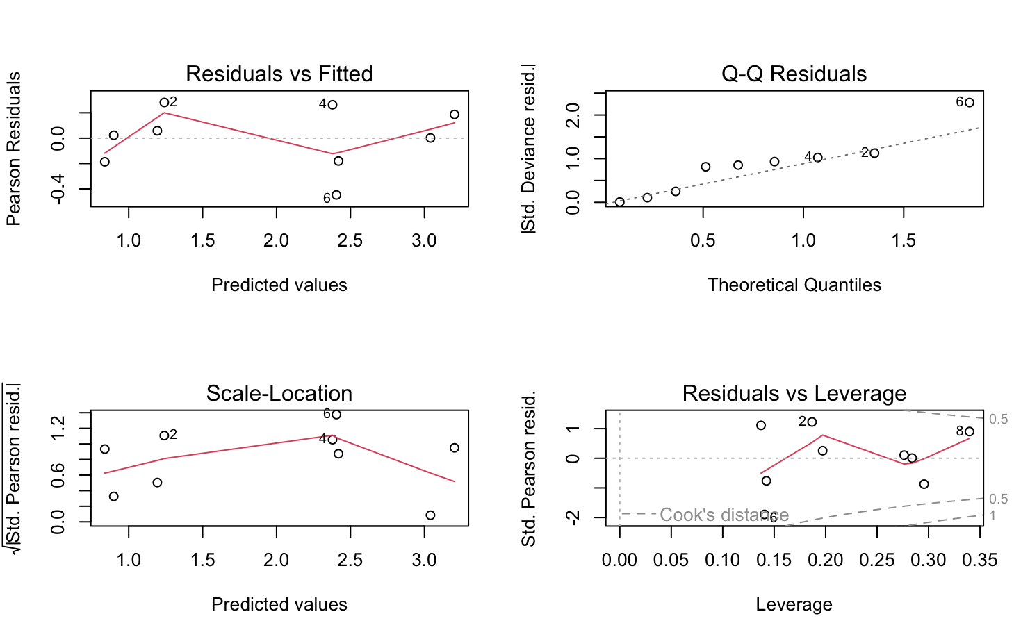
glm formula | glm family | glm link | Coefficients | Estimate | Std.Error | t-value | p-value | Null deviance | Residual Deviance | AIC | Associated Figure
Annual production ~ Annual mean chlorophyll-a | gaussian | Identity | (Intercept) | -4.597 | 3.409 | -1.348 | 0.220 | 713.01 (8 df) | 160.94 (7 df) | 57.495 | 20
 |  |  | Annual mean chlorophyll-a | 5920.508 | 1208.212 | 4.900 | 0.002
Annual production ~ Annual mean chlorophyll-a | gamma | log | (Intercept) | 0.321 | 0.181 | 1.775 | 0.119 | 7.025 | 0.52816 | 40.818
 |  |  | Annual mean chlorophyll-a | 656.419 | 64.161 | 10.231 | 0.000

GAMMA IS BETTER MODEL
Shapiro - Wilk
W = 0.91048, p-value = 0.3192

prod ~ Algae
glm formula | glm family | glm link | Coefficients | Estimate | Std.Error | t-value | p-value | Null deviance | Residual Deviance | AIC | Associated Figure
Annual production ~ Annual mean algae | gaussian | Identity | (Intercept) | 6.837 | 5.249 | 1.302 | 0.234 | 713.010 | 653.040 | 70.101 | 18
 |  |  | Annual mean algae | 0.089 | 0.111 | 0.802 | 0.449
Annual production ~ Annual mean algae | gamma | log | (Intercept) | 1.619 | 0.483 | 3.355 | 0.0122 | 7.025 | 5.94 | 63.487
 |  |  | Annual mean algae | 0.017 | 0.01 | 1.674 | 0.138

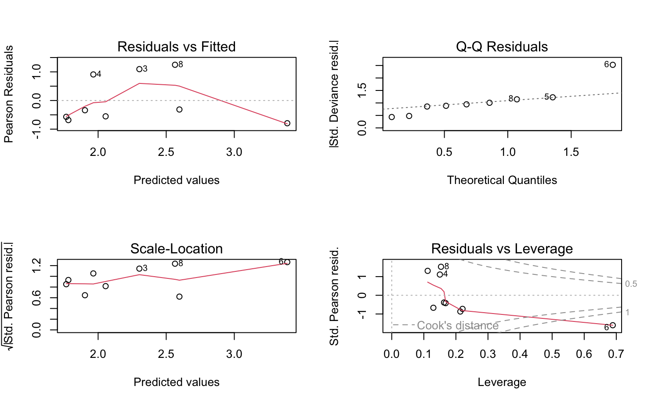
GAMMA IS BETTER MODEL
Shapiro - Wilk
W = 0.873, p-value = 0.1324

prod~ CBOM+FBOM AIC comparison
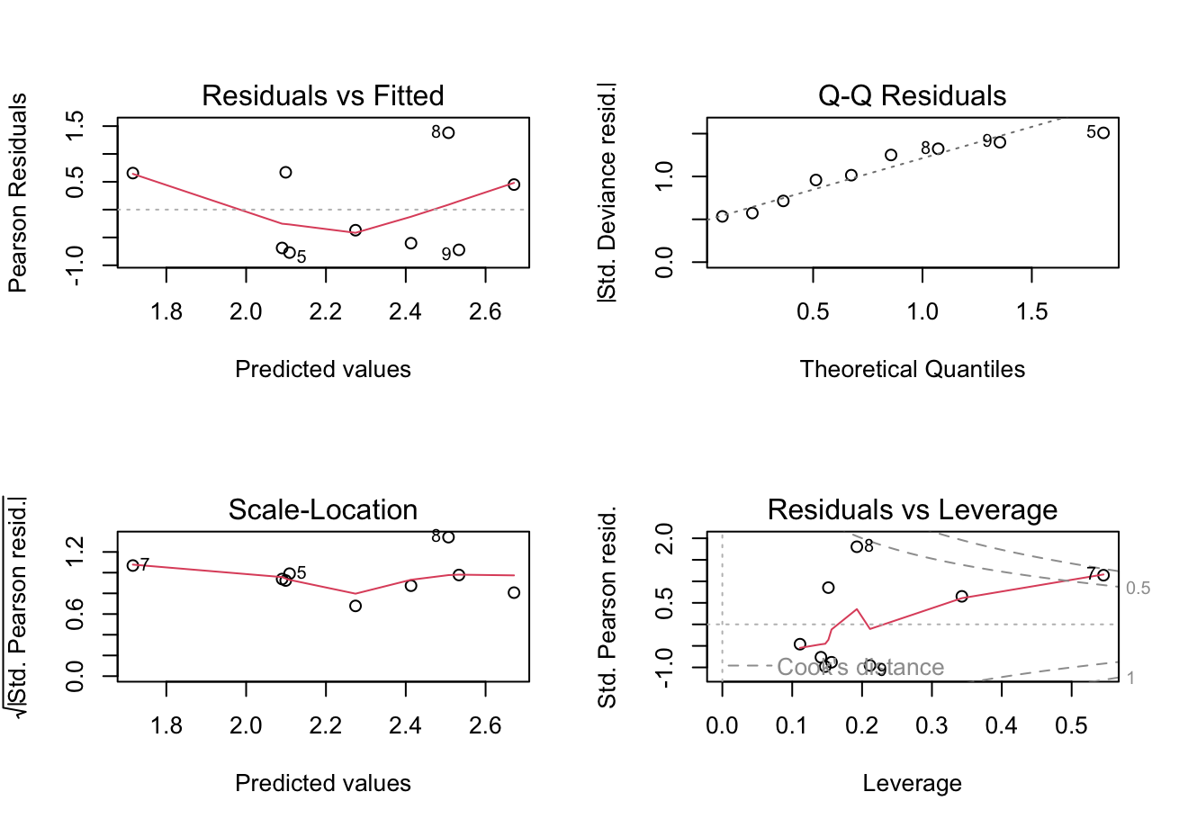
glm formula | glm family | glm link | Coefficients | Estimate | Std.Error | t-value | p-value | Null deviance | Residual Deviance | AIC | Associated Figure
Annual production ~ CBOM+FBOM | gaussian | Identity | (Intercept) | -0.660 | 9.913 | -0.067 | 0.949 | 713.010 | 599.930 | 69.337 | 17
 |  |  | Annual CBOM+FBOM | 0.029 | 0.026 | 1.149 | 0.288
Annual production ~ Annual mean leaf litter standing stock (CBOM+FBOM) | gamma | log | (Intercept) | 1.416 | 0.912 | 1.552 | 0.165 | 7.025 | 6.117 | 63.78
 |  |  | Annual CBOM+FBOM | 0.002 | 0.002 | 0.983 | 0.358

GAMMA IS BETTER MODEL
Shapiro - Wilk
data: resid(glm_model)
W = 0.87828, p-value = 0.1506

prod~SC
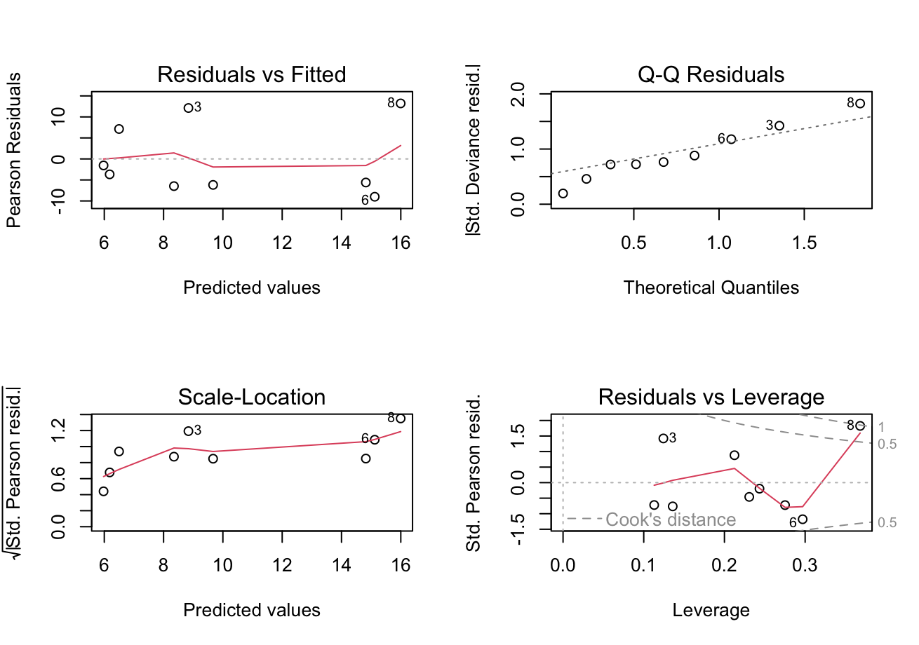
glm formula | glm family | glm link | Coefficients | Estimate | Std.Error | t-value | p-value | Null deviance | Residual Deviance | AIC | Associated Figure
annual production ~ SC.Level | gaussian | Identity | (Intercept) | 5.838 | 4.574 | 1.276 | 0.243 | 713.010 | 580.610 | 69.043 | 7
 |  |  | SC.Level | 0.009 | 0.007 | 1.263 | 0.247
annual production ~ SC.Level | gamma | log | (Intercept) | 1.863 | 0.456 | 4.085 | 0.005 | 7.025 | 5.862 | 63.356
 |  |  | SC.Level | 0.001 | 0.001 | 1.147 | 0.289

GAMMA IS BETTER MODEL
Shapiro - Wilk
data: resid(glm_model)
W = 0.84325, p-value = 0.06276

FBOM+CBOM ~ SC
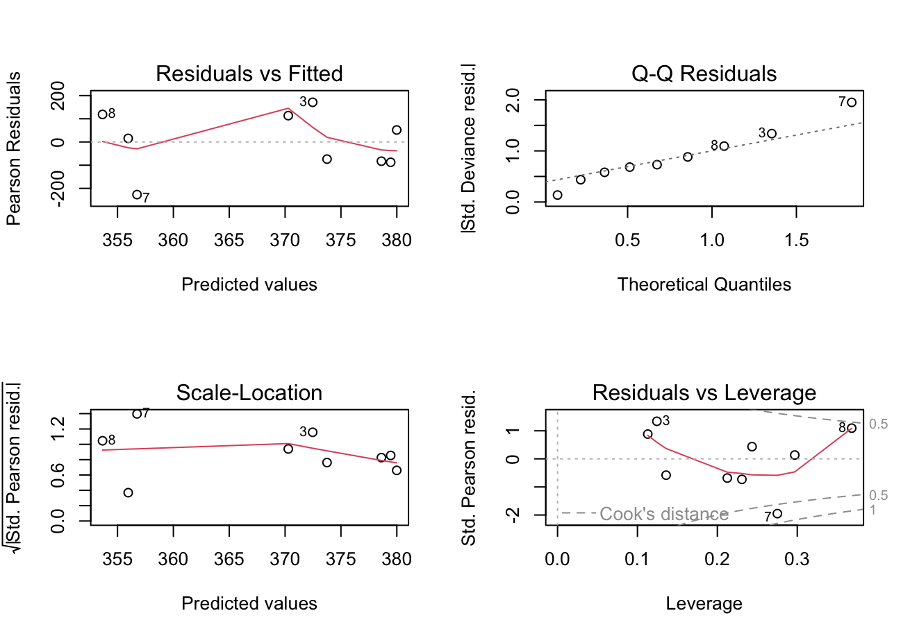
glm formula | glm family | glm link | Coefficients | Estimate | Std.Error | t-value | p-value | Null deviance | Residual Deviance | AIC | Associated Figure
Annual mean leaf litter standing stock (CBOM+FBOM) ~ SC.Level | gaussian | Identity | (Intercept) | 380.318 | 68.586 | 5.545 | 0.001 | 131455.000 | 130542.000 | 117.780 | 11
 |  |  | SC.Level | -0.023 | 0.102 | -0.221 | 0.831
Annual mean leaf litter standing stock (CBOM+FBOM) ~ SC.Level | gamma | log | (Intercept) | 5.943 | 0.188 | 31.559 | 0.000 | 1.273 | 1.266 | 119.220
 |  |  | SC.Level | 0.000 | 0.000 | -0.229 | 0.825

GAUSSIAN IS BETTER MODEL
Shapiro - Wilk
W = 0.94864, p-value = 0.6751

CBOM ~ SC AIC comparison
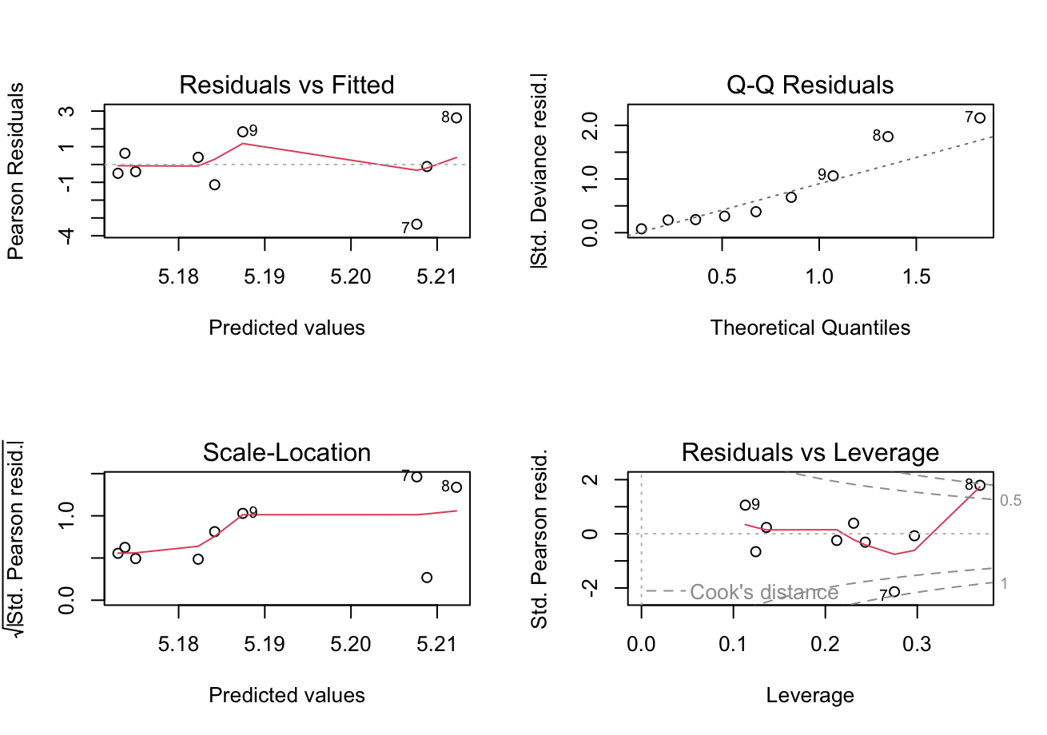
glm formula | glm family | glm link | Coefficients | Estimate | Std.Error | t-value | p-value | Null deviance | Residual Deviance | AIC | Associated Figure
Annual mean CBOM ~ SC.Level | gaussian | Identity | (Intercept) | 5.138 | 0.906 | 5.668 | 0.001 | 22.800 | 22.797 | 39.905 | 9
 |  |  | SC.Level | 0.000 | 0.001 | 0.031 | 0.976
Annual mean CBOM ~ SC.Level | gamma | log | (Intercept) | 1.643 | 0.178 | 9.246 | 0.000 | 1.1612 | 1.1612 | 41.782
GAUSSIAN IS BETTER MODEL
Shapiro - Wilk
W = 0.96203, p-value = 0.8194
 |  |  | SC.Level | 0.000 | 0.000 | 0.024 | 0.981

FBOM ~ SC AIC comparison
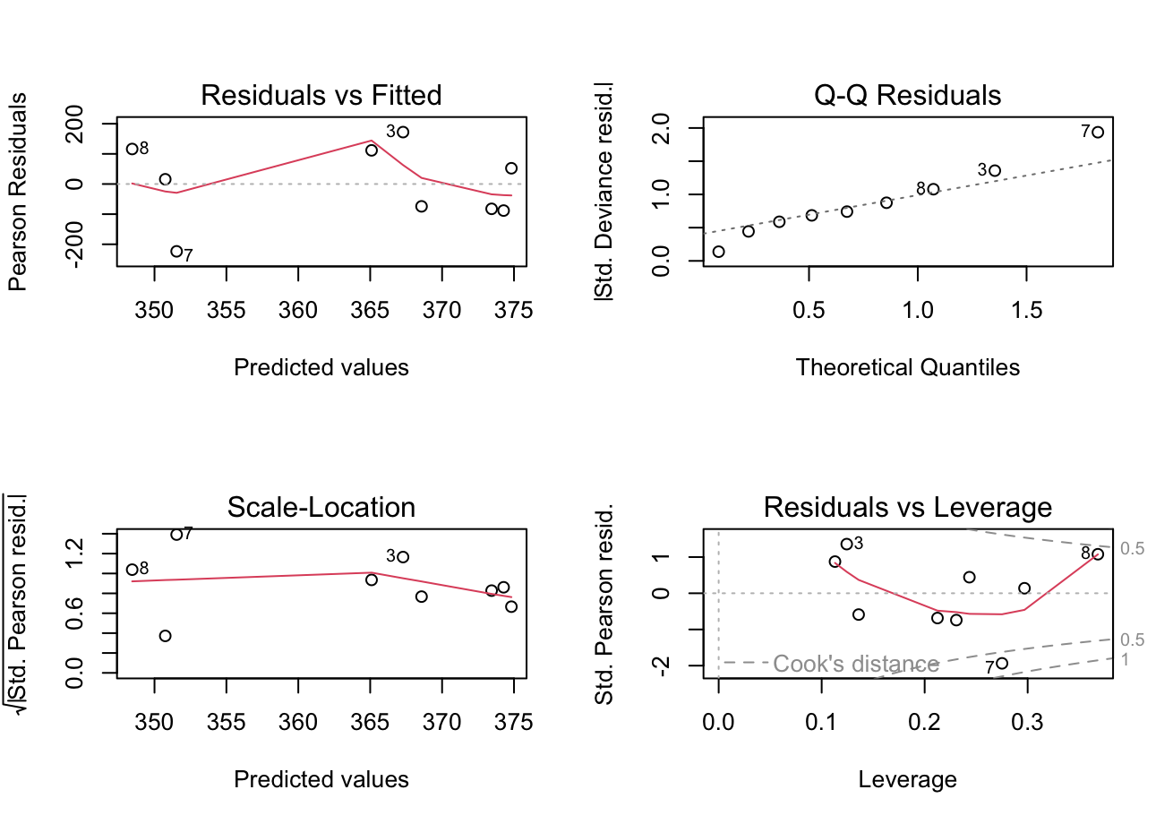
glm formula | glm family | glm link | Coefficients | Estimate | Std.Error | t-value | p-value | Null deviance | Residual Deviance | AIC | Associated Figure
Annual mean FBOM ~ SC.Level | gaussian | Identity | (Intercept) | 375.181 | 68.079 | 5.511 | 0.001 | 129533.000 | 128616.000 | 117.650 | 10
 |  |  | SC.Level | -0.023 | 0.101 | -0.223 | 0.830
Annual mean FBOM ~ SC.Level | gamma | log | (Intercept) | 5.929 | 0.189 | 31.291 | 0.000 | 1.2837 | 1.2765 | 119.03
 |  |  | SC.Level | 0 | 0 | -0.232 | 0.823
GAUSSIAN IS BETTER MODEL
Shapiro - Wilk
W = 0.95073, p-value = 0.698

AI ~ SC AIC comparison
glm formula | glm family | glm link | Coefficients | Estimate | Std.Error | t-value | p-value | Null deviance | Residual Deviance | AIC | Associated Figure
Annual mean autotrophic index ~ SC.Level | gamma | log | (Intercept) | 9.319 | 0.163 | 57.275 | 0.000 | 2.099 | 0.859 | 184.920 | 13
 |  |  | SC.Level | 0.001 | 0.000 | 3.424 | 0.011
Annual mean autotrophic index ~ SC.Level | gaussian | identity | (Intercept) | 10475.294 | 3930.288 | 2.655 | 0.0322 | 842368711 | 428669387 | 190.65
 |  |  | SC.Level | 15.151 | 5.829 | 2.599 | 0.0355

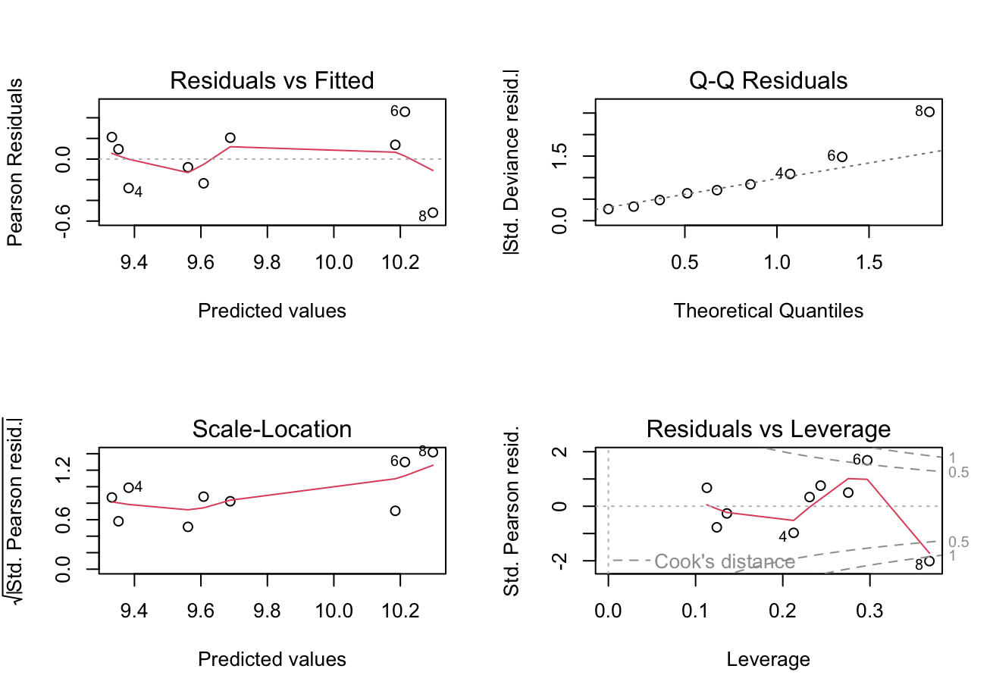
GAMMA IS BETTER MODEL
Shapiro-Wilk
W = 0.9433, p-value = 0.6171

chl-a ~ SC AIC comparison
glm formula | glm family | glm link | Coefficients | Estimate | Std.Error | t-value | p-value | Null deviance | Residual Deviance | AIC | Associated Figure
Annual mean chlorophyll-a ~ SC.Level | gaussian | Identity | (Intercept) | 0.002 | 0.001 | 2.652 | 0.033 | 0.000 | 0.000 | -91.945 | 14
 |  |  | SC.Level | 0.000 | 0.000 | 2.035 | 0.081
Annual mean chlorophyll-a ~ SC.Level | gamma | log | (Intercept) | -6.391 | 0.291 | -21.97 | 0.000 | 3.211 | 2.324 | -91.367
 |  |  | SC.Level | 0 | 0 | 1.595 | 0.155

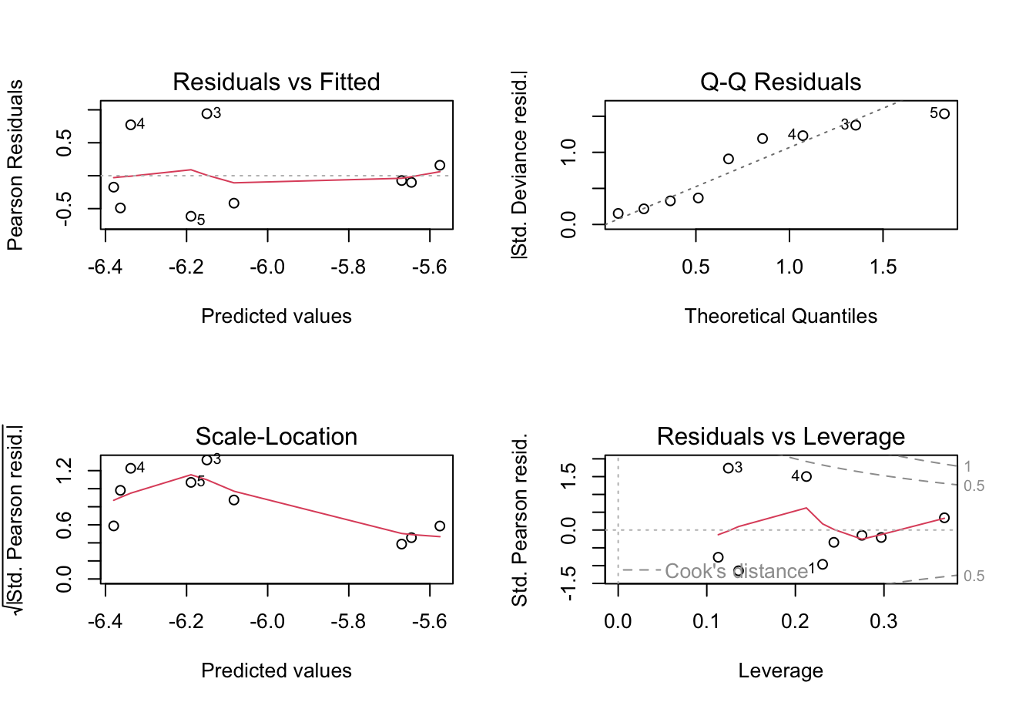
GAMMA IS BETTER MODEL
Shapiro-Wilk
W = 0.95009, p-value = 0.691

Algae ~ SC AIC comparison
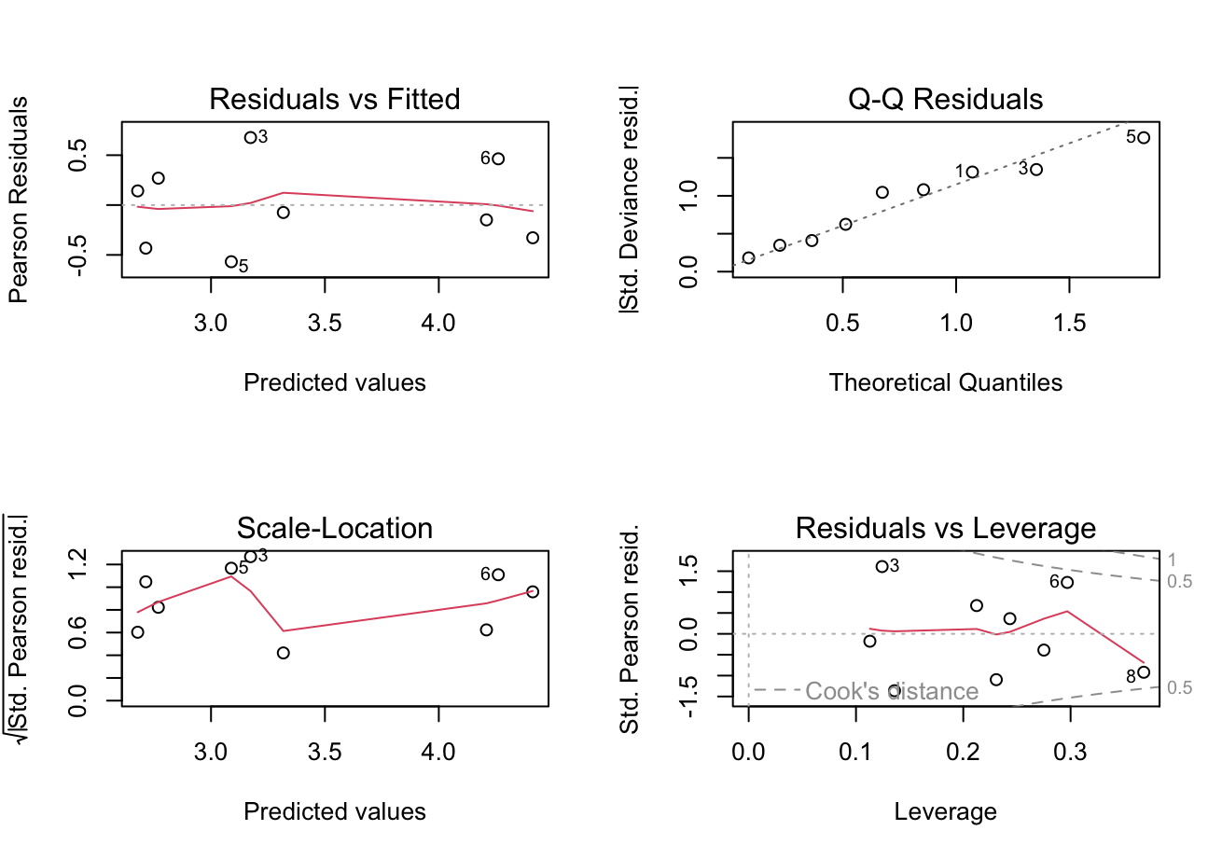
GAMMA IS BETTER MODEL
Shapiro-Wilk
W = 0.9766, p-value = 0.9446
glm formula | glm family | glm link | Coefficients | Estimate | Std.Error | t-value | p-value | Null deviance | Residual Deviance | AIC | Associated Figure
Annual mean algae ~ SC.Level | gamma | log | (Intercept) | 2.654 | 0.225 | 11.775 | 0.000 | 5.507 | 1.545 | 75.641 | 12
 |  |  | SC.Level | 0.001 | 0.000 | 4.437 | 0.003
Annual mean algae ~ SC.Level | gaussian | identity | (Intercept) | 9.87184 | 8.94912 | 1.103 | 0.30645 | 7607.3 | 2222.5 | 81.123 | 12
 |  |  | SC.Level | 0.05466 | 0.01327 | 4.118 | 0.00447

chl-a ffg AIC comparison
GAMMA IS BETTER MODEL ACROSS BOARD FOR FFGs BASED ON AIC
glm formula | glm family | glm link | Coefficients | Estimate | Std.Error | t-value | p-value | Null deviance | Residual Deviance | AIC | Associated Figure
Coleoptera scraper annual production ~ Annual mean chlorophyll-a | gamma | log | (Intercept) | -3.770 | 0.808 | -4.665 | 0.002 | 18.213 | 13.462 | -20.989 | 24
 |  |  | Annual mean chlorophyll-a | 513.363 | 286.321 | 1.793 | 0.116
Scraper annual production ~ Annual mean chlorophyll-a | gamma | log | (Intercept) | -1.008 | 1.074 | -0.939 | 0.379 | 48.581 | 47.904 | -23.327 | 24
 |  |  | Annual mean chlorophyll-a | -221.401 | 380.616 | -0.582 | 0.579
Collector-gatherer annual production ~ Annual mean chlorophyll-a | gamma | log | (Intercept) | -1.743 | 0.685 | -2.546 | 0.038 | 12.318 | 9.551 | 12.590 | 24
 |  |  | Annual mean chlorophyll-a | 443.488 | 242.586 | 1.828 | 0.110
Predator annual production ~ Annual mean chlorophyll-a | gamma | log | (Intercept) | -1.535 | 0.790 | -1.942 | 0.093 | 22.277 | 13.179 | 26.373 | 24
 |  |  | Annual mean chlorophyll-a | 671.476 | 280.117 | 2.397 | 0.048
Collector-filterer annual production ~ Annual mean chlorophyll-a | gamma | log | (Intercept) | -0.894 | 0.636 | -1.404 | 0.203 | 15.286 | 9.442 | 34.372 | 24
 |  |  | Annual mean chlorophyll-a | 588.495 | 225.546 | 2.609 | 0.035
Shredder annual production ~ Annual mean chlorophyll-a | gamma | log | (Intercept) | -0.912 | 0.613 | -1.487 | 0.181 | 13.895 | 5.869 | 43.224 | 24
 |  |  | Annual mean chlorophyll-a | 821.337 | 217.300 | 3.780 | 0.007
Coleoptera scraper annual production ~ Annual mean chlorophyll-a | gaussian | Identity | (Intercept) | -0.044 | 0.079 | -0.557 | 0.595 | 0.145 | 0.087 | -10.254 | 24
 |  |  | Annual mean chlorophyll-a | 60.993 | 28.024 | 2.176 | 0.066
Scraper annual production ~ Annual mean chlorophyll-a | gaussian | Identity | (Intercept) | 0.322 | 0.252 | 1.274 | 0.243 | 0.909 | 0.882 | 10.634 | 24
 |  |  | Annual mean chlorophyll-a | -41.494 | 89.434 | -0.464 | 0.657
Collector-gatherer annual production ~ Annual mean chlorophyll-a | gaussian | Identity | (Intercept) | 0.035 | 0.538 | 0.065 | 0.950 | 4.864 | 4.007 | 24.259 | 24
 |  |  | Annual mean chlorophyll-a | 233.275 | 190.648 | 1.224 | 0.261
Predator annual production ~ Annual mean chlorophyll-a | gaussian | Identity | (Intercept) | -1.752 | 1.929 | -0.908 | 0.394 | 85.367 | 51.493 | 47.239 | 24
 |  |  | Annual mean chlorophyll-a | 1466.544 | 683.418 | 2.146 | 0.069
Collector-filterer annual production ~ Annual mean chlorophyll-a | gaussian | Identity | (Intercept) | -1.101 | 1.696 | -0.649 | 0.537 | 71.889 | 39.845 | 44.931 | 24
 |  |  | Annual mean chlorophyll-a | 1426.380 | 601.172 | 2.373 | 0.049
Shredder annual production ~ Annual mean chlorophyll-a | gaussian | Identity | (Intercept) | -2.056 | 2.322 | -0.885 | 0.405 | 195.938 | 74.672 | 50.584 | 24
 |  |  | Annual mean chlorophyll-a | 2774.791 | 822.984 | 3.372 | 0.012

prod FFG AIC comparison
GAMMA IS BETTER MODEL ACROSS BOARD FOR FFGs BASED ON AIC
glm formula | glm family | glm link | Coefficients | Estimate | Std.Error | t-value | p-value | Null deviance | Residual Deviance | AIC | Associated Figure
Coleoptera scraper annual production ~ SC.Level | gamma | log | (Intercept) | -2.626 | 0.604 | -4.347 | 0.003 | 18.213 | 17.240 | -18.231 | 8
 |  |  | SC.Level | 0.001 | 0.001 | 0.765 | 0.469
Scraper annual production ~ SC.Level | gamma | log | (Intercept) | -0.175 | 0.611 | -0.287 | 0.783 | 48.581 | 18.111 | -35.375 | 8
 |  |  | SC.Level | -0.006 | 0.001 | -6.657 | 0.000
Collector-gatherer annual production ~ SC.Level | gamma | log | (Intercept) | 0.149 | 0.538 | 0.277 | 0.790 | 12.318 | 8.532 | 11.418 | 8
 |  |  | SC.Level | -0.002 | 0.001 | -2.095 | 0.074
Predator annual production ~ SC.Level | gamma | log | (Intercept) | -0.257 | 0.643 | -0.400 | 0.701 | 22.277 | 18.510 | 30.175 | 8
 |  |  | SC.Level | 0.001 | 0.001 | 1.439 | 0.193
Collector-filterer annual production ~ SC.Level | gamma | log | (Intercept) | 0.478 | 0.745 | 0.642 | 0.541 | 15.286 | 14.455 | 38.947 | 8
 |  |  | SC.Level | 0.001 | 0.001 | 0.669 | 0.525
Shredder annual production ~ SC.Level | gamma | log | (Intercept) | 1.021 | 0.610 | 1.673 | 0.138 | 13.895 | 12.158 | 50.750 | 8
 |  |  | SC.Level | 0.001 | 0.001 | 1.016 | 0.343
Coleoptera scraper annual production ~ SC.Level | gaussian | identity | (Intercept) | 0.065 | 0.069 | 0.936 | 0.380 | 0.145 | 0.132 | -6.472 | 8
 |  |  | SC.Level | 0.000 | 0.000 | 0.843 | 0.427
Scraper annual production ~ SC.Level | gaussian | identity | (Intercept) | 0.439 | 0.142 | 3.088 | 0.018 | 0.909 | 0.562 | 6.580 | 8
 |  |  | SC.Level | 0.000 | 0.000 | -2.079 | 0.076
Collector-gatherer annual production ~ SC.Level | gaussian | identity | (Intercept) | 0.966 | 0.380 | 2.545 | 0.038 | 4.864 | 3.998 | 24.238 | 8
 |  |  | SC.Level | -0.001 | 0.001 | -1.231 | 0.258
Predator annual production ~ SC.Level | gaussian | identity | (Intercept) | 0.430 | 1.588 | 0.271 | 0.794 | 85.367 | 69.982 | 50.000 | 8
 |  |  | SC.Level | 0.003 | 0.002 | 1.241 | 0.255
Collector-filterer annual production ~ SC.Level | gaussian | identity | (Intercept) | 1.666 | 1.559 | 1.068 | 0.321 | 71.889 | 67.490 | 49.674 | 8
 |  |  | SC.Level | 0.002 | 0.002 | 0.676 | 0.521
Shredder annual production ~ SC.Level | gaussian | identity | (Intercept) | 2.272 | 2.313 | 0.982 | 0.359 | 195.938 | 148.457 | 56.769 | 8
 |  |  | SC.Level | 0.005 | 0.003 | 1.496 | 0.178

 |  |  |  |  |  |  |  |  | term | estimate | std.error | statistic | p.value | null_deviance | residual_deviance | AIC
 |  |  |  |  |  |  |  | FFG

 |  |  |  |  |  |  |  | 1 | Coleoptera Scraper | (Intercept) | 0.065 | 0.069 | 0.936 | 0.380 | 0.145 | 0.132 | -6.472
 |  |  |  |  |  |  |  | 2 | Coleoptera Scraper | SC.Level | 0.000 | 0.000 | 0.843 | 0.427 | 0.145 | 0.132 | -6.472
 |  |  |  |  |  |  |  | 3 | Scraper | (Intercept) | 0.439 | 0.142 | 3.088 | 0.018 | 0.909 | 0.562 | 6.580
 |  |  |  |  |  |  |  | 4 | Scraper | SC.Level | 0.000 | 0.000 | -2.079 | 0.076 | 0.909 | 0.562 | 6.580
 |  |  |  |  |  |  |  | 5 | Collector-Gatherer | (Intercept) | 0.966 | 0.380 | 2.545 | 0.038 | 4.864 | 3.998 | 24.238
 |  |  |  |  |  |  |  | 6 | Collector-Gatherer | SC.Level | -0.001 | 0.001 | -1.231 | 0.258 | 4.864 | 3.998 | 24.238
 |  |  |  |  |  |  |  | 7 | Predator | (Intercept) | 0.430 | 1.588 | 0.271 | 0.794 | 85.367 | 69.982 | 50.000
 |  |  |  |  |  |  |  | 8 | Predator | SC.Level | 0.003 | 0.002 | 1.241 | 0.255 | 85.367 | 69.982 | 50.000
 |  |  |  |  |  |  |  | 9 | Collector-Filterer | (Intercept) | 1.666 | 1.559 | 1.068 | 0.321 | 71.889 | 67.490 | 49.674
 |  |  |  |  |  |  |  | 10 | Collector-Filterer | SC.Level | 0.002 | 0.002 | 0.676 | 0.521 | 71.889 | 67.490 | 49.674
 |  |  |  |  |  |  |  | 11 | Shredder | (Intercept) | 2.272 | 2.313 | 0.982 | 0.359 | 195.938 | 148.457 | 56.769
 |  |  |  |  |  |  |  | 12 | Shredder | SC.Level | 0.005 | 0.003 | 1.496 | 0.178 | 195.938 | 148.457 | 56.769

